Title Page
Instacart Online Supermarket Analysis

Project Name: Instacart Online Supermarket Analysis
Date: 07.10.2023
Analyst Name: Rami Shaaban

Contents:
Data Citation
Population Flow
Consistency checks
Wrangling steps
Column derivations
Visualizations
Recommendations

1. Data Citation
For learning porpuses in this achievement, we used the Instacart Online Grocery Shopping Dataset 2017, Accessed from www.instacart.com/datasets/grocery-shopping-2017 via Kaggle on [date].
This is open source data made available online by Instacart, an online grocery store app popular in the United States.
The customer data explored in Exercises 4.9 and 4.10 of this achievement, as well as the “prices” column in the products data set, were both fabricated for the purpose of this course.

2. Population Flow
Title page

Population flow

Exclusion flag
Condition: max_order < 5
Obervations to be removed: 1440295 (low activity)
Final total count of order_products_all: 30964564

Orders_products_combined
Orders_products_merged
Orders_products_all

Total: 32404859
Total: 32434489
Total: 32404859

1.) The grey boxes in the first row of the population flow represent the original data sets as they were when you downloaded them. In the Total fields you need to add the count of the rows when you imported the data set into Jupyter.
2.) The second row of boxes (coloured) represents the data sets after you manipulated them, e.g., removed missing values and duplicates. In the Total fields you need to add the count of the rows after conducting these operations. This offers a visual oveview of how the data flows throughout the data consistency checks.
3.) The third row, where also the arrows are coloured, represents the merges you performed between the datasets. In the Total fields you need to add the count of the rows in the merged datasets, so that you end up with the final dataset (in the red box). Keep in mind the final dataset should be without exclusions (based on the exclusion flag).

3. Consistency checks
 |  |  |  |  | Title page
Consistency checks

Dataset/Dataframe | Missing values | Missing values treatment | Duplicates | Additional notes
orders | days_since_prior_order, 206209 | no change made |  | By using crosstabs in Python, we confirmed these missing values are related to first orders. Thus, there are no days since prior order
products | product_name, 16 | deleted rows with missing values in 'product_name | 5 full duplicate rows found and deleted
orders_products_prior | none
customers | first_name, 11259 | this is not an issue for our analysis. No change necessary
ords_prods_merge |  |  |  | the max value of the 'prices' column was 99999. This is related to orders where the 'product_id'= 33664. I changed the value to 9.9 as this is close to the avg. The percentage of rows where product_id = 33664 is 0.0022 %. This was done in E4.8

4. Wrangling steps
 |  |  |  | Title page
Wrangling steps

Columns dropped | Columns renamed | Columns' type changed | Comment/Reason
'eval_set' column from orders.csv |  |  | This column contains system information that acts as a label for the entire data set. It is irrelevant for our analysis
 | 'order_dow' column from orders.csv |  | It’s not the most self-explanatory, especially for other stakeholders that might need access to the data
 |  | order_id column from orders.csv changed to string | It does not represent real numeric values, rather, keys related to specific orders and users
 |  | user_id column from orders.csv changed to string | It does not represent real numeric values, rather, keys related to specific orders and users
 | First Name' renamed to 'first_name' in customers.csv |  | To follow common naming conventions and best practices in data analytics
 | Surnam' renamed to 'surname' customers.csv |  | To follow common naming conventions and best practices in data analytics
 | Gender' renamed to 'gender' customers.csv |  | To follow common naming conventions and best practices in data analytics
 | STATE' renamed to 'state' customers.csv |  | To follow common naming conventions and best practices in data analytics
 | Age' renamed to 'age' customers.csv |  | To follow common naming conventions and best practices in data analytics
 |  | user_id column in customers.csv changed to string | It does not represent real numeric values, rather, keys related to specific orders and users
'_merge' column from ords_prods_merge dataframe |  |  | I deleted the '_merge' column from the ords_prods_merge dataframe before merging it with the cutomers dataframe.
 |  | user_id column in ords_prods_merge dataframe changed to string | This way it matches the 'user_id' data type in df_cust. This is important for merging both dataframes
 |  | first_name column in customers.csv changed to string | The data type of this column was mixed.
 | 'Unnamed: 0' in the dataframe df_dept renamed to 'department_id' |  | because this is the correct name of the column. This will prepare the df for the merge as well.
'first_name' and 'surname' columns from the merged dataframe which contains customer data |  |  | This is considered PII data because it could be tracked to particular persons.

5. Column derivations
 |  |  |  | Title page

Column derivations and aggregations

Dataset | New column | Column/s it was derived from | Conditions
ords_prods_merge | price_range_loc | prices | High-range product': Condition: 'prices' > 15 , 'Mid-range product': Condition: 'prices' <= 15 & 'prices' > 5 , 'Low-range product': Condition: 'prices' <= 5
ords_prods_merge | busiest_day | orders_day_of_week | If the value in the "orders_day_of_week" column is equal to 0, it categorizes it as "Busiest day.", If the value in the "orders_day_of_week" column is equal to 4, it categorizes it as "Least busy.", For all other values in the "orders_day_of_week" column, it categorizes them as "Regularly busy."
ords_prods_merge | busiest_days | orders_day_of_week | If the value in the "orders_day_of_week" column is equal to 0 or 1, it categorizes it as "Busiest days.", If the value in the "orders_day_of_week" column is equal to 3 or 4, it categorizes it as "Slowest days.", For all other values in the "orders_day_of_week" column, it categorizes them as "Regularly busy."
ords_prods_merge | busiest_period_of_day | order_hour_of_day | If the value in the "order_hour_of_day" column is one of [10, 11, 14, 15, 13, 12, 16], it categorizes it as "Most orders." If the value in the "order_hour_of_day" column is one of [9, 17, 8, 18, 19], it categorizes it as "Average orders." For all other values in the "order_hour_of_day" column, it categorizes them as "Fewest orders."
ords_prods_merge | loyalty_flag | user_id, order_number, max_order | If a customer's "max_order" value is greater than 40, they are categorized as "Loyal customer.", If a customer's "max_order" value is 10 or less, they are categorized as "New customer.", For customers whose "max_order" value is between 10 (inclusive) and 40 (exclusive), they are categorized as "Regular customer."
ords_prods_merge | spending_flag | user_id, prices, avg_price | If a customer's average price (in the "avg_price" column) is less than 10, they are categorized as "Low spender.", If a customer's average price (in the "avg_price" column) is 10 or greater, they are categorized as "High spender."
subset_df_normal_activity_customers | income_group | income | Sets 'Low Income' for rows where income is less than or equal to 75,000. Sets 'Middle Income' for rows where income is between 75,001 and 200,000 (inclusive). Sets 'High Income' for rows where income is between 200,001 and 400,000 (inclusive). Sets 'Very High Income' for rows where income is greater than 400,000.
subset_df_normal_activity_customers | age_group | age | Sets '18-29' for rows where age is less than or equal to 29. Sets '30-39' for rows where age is between 30 and 39 (inclusive). Sets '40-49' for rows where age is between 40 and 49 (inclusive). Sets '50-64' for rows where age is between 50 and 64 (inclusive). Sets '65 and over' for rows where age is greater than or equal to 65.
df_dept_normal_activity_customers_merged | household_profile | n_dependants | Assigns 'Nonfamily' to rows where the number of dependants is 0. Assigns 'Family' to rows where the number of dependants is greater than 0 and less than or equal to 2. Assigns 'Big Family' to rows where the number of dependants is greater than 2.

6. Visualizations
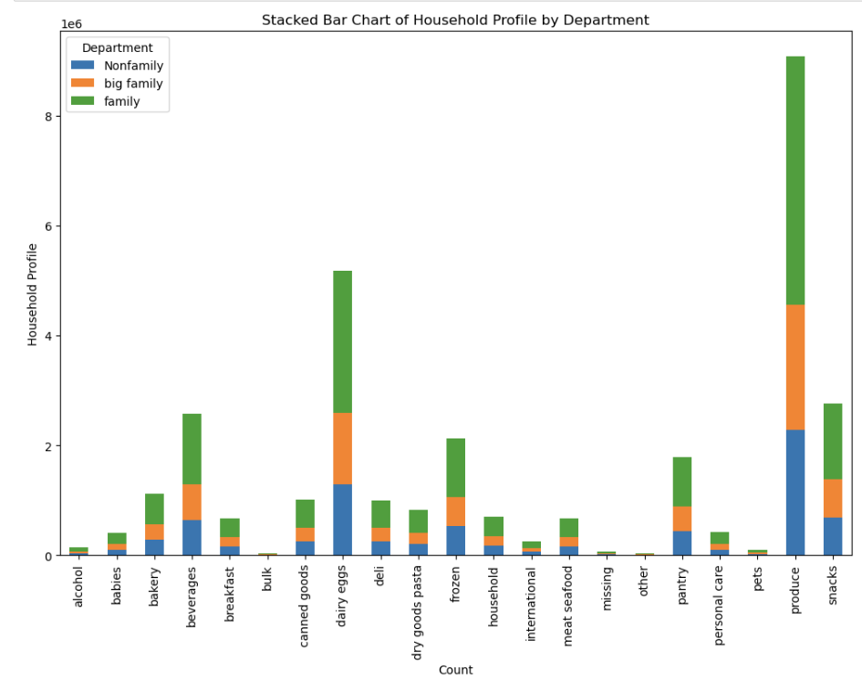
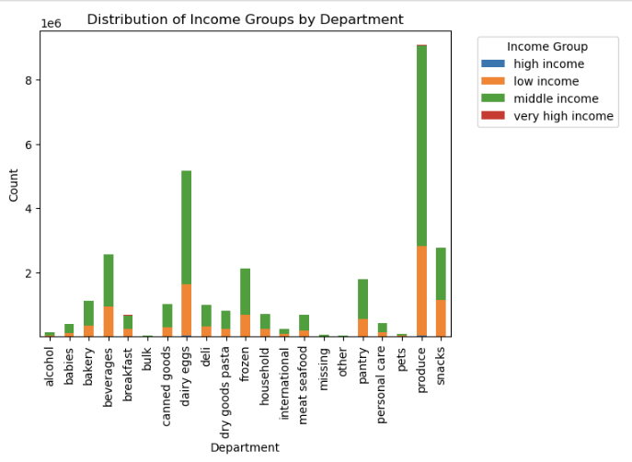
 |  |  |  |  |  |  | Title page

Visualisations

In this tab you should include the visualtions from Exercises 4.9 and 4.10, alongside the questions from the project brief that they answer. Include any commentary on the relationship between different variables.

Key Question #1: What are the busiest days of the week and hours of the day?

 |  | Bar chart for 'orders_day_of_week' |  |  | Histogram of the 'order_hour_of_day' column
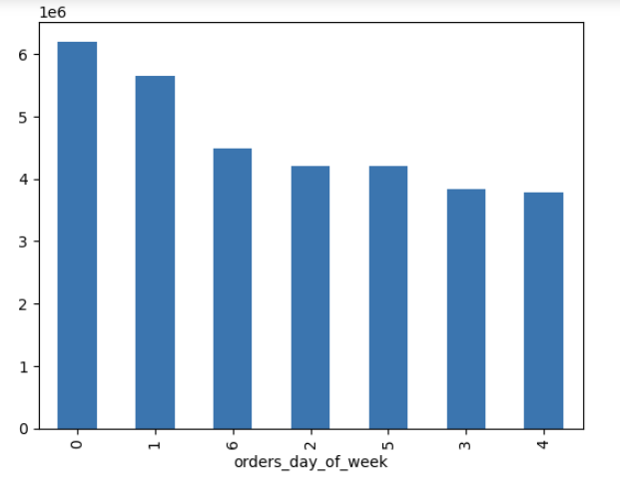
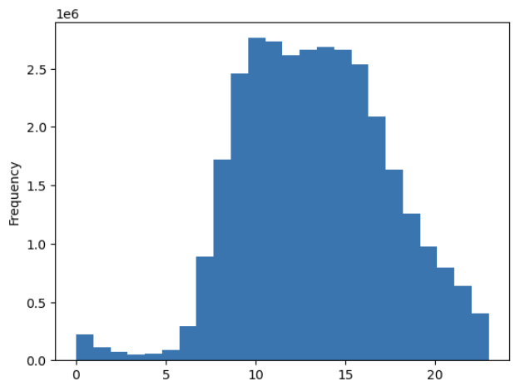

As per the chart above, Saturday(0), Sunday(1), and Friday(6) are the 3 busiest days of the week.
The histogram shows the distribution of the number of orders placed at different hours of the day.
The number of orders placed is relatively low in the early morning hours, starts to increase in the late morning hours, peaks in the hours between 9:00 to 16:00, and then starts to decrease in the evening hours. The lowest hours are between midnight and 6:00

Key Question #2: Are there are particular times of the day when people spend the most money?

 | Line chart for 'prices' and 'order_hour_of_day' |  | Line chart of 'prices' and 'order_day_of_week'
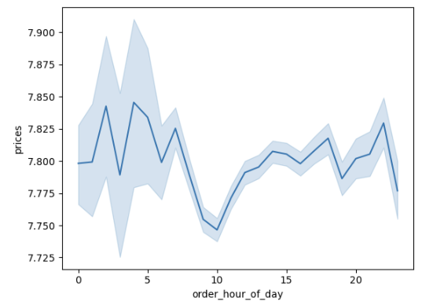
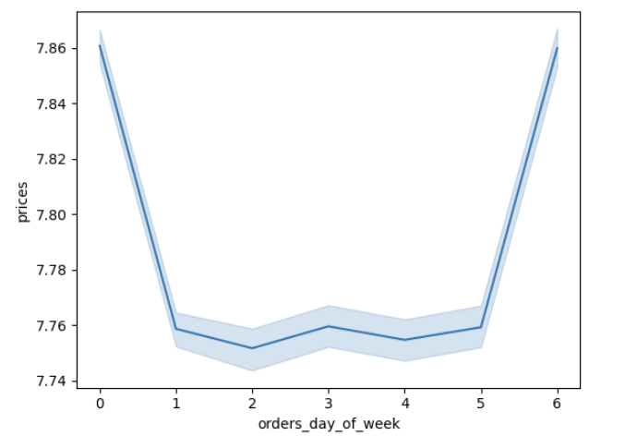
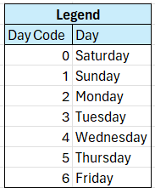

The line chart suggest a fluctuating patter for prices by hour of day. however, there is no significant difference in expendiure depending on hour of the day. They are somewhere between 7.75 and 7.86 dollars.
Note: the chart has been created form a randomly reduced subset sample (70/30)
The line chart shows that the weekends have products with relatively higher prices. However, there is no significant difference in expendiure depending on day of the week. prices are somewhere between 7.75 and 7.86 dollars.
Note: the chart has been created form a randomly reduced subset sample (70/30)

Key Question #3: Is it possible to create simpler price range groupings to help direct the efforts of the marketing and the sales teams?

 | Histogram showing frequency of 'prices'
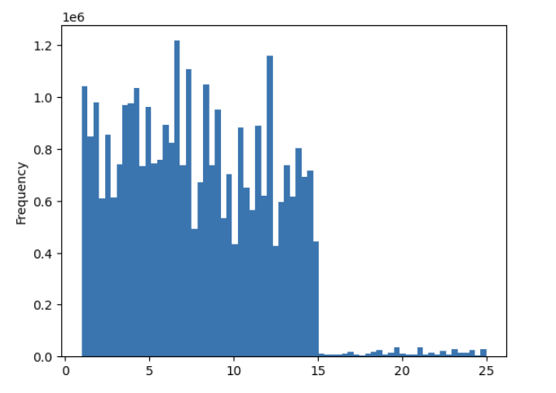

The predominant price range for items lies between $1 and $15. Analyzing the price distribution, we can for example create three price groupings:
-Low range products: < 6
-middle range products >= 6 & < 14
-high range products >=14

Key Question #4: Which departments have the highest frequency of product orders?

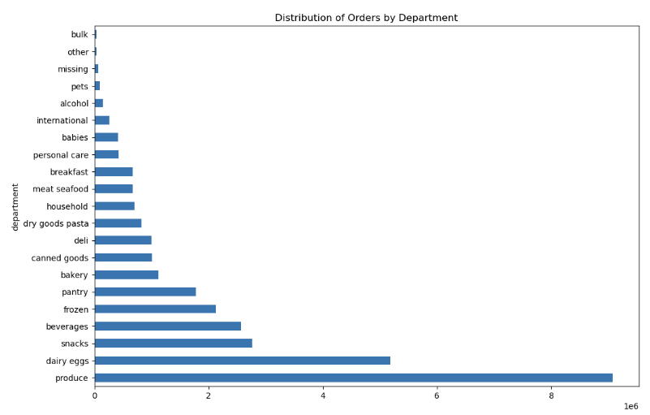

As we can see in the chart, produce, dairy eggs, and snacks are the top three department in terms of orders frequency.

Scatterplot for the 'prices' column

Key Question #5: What’s the distribution among users in regards to their brand loyalty?

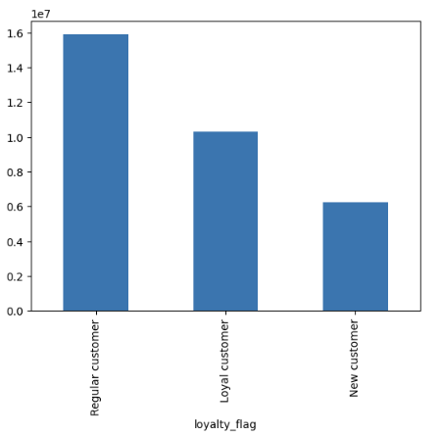

 |  |  |  | Loyalty_flag | count_of_orders | percentage_from_total_orders_number
 |  |  |  | Regular customer | 15876776 | 49%
 |  |  |  | Loyal customer | 10284093 | 32%
 |  |  |  | New customer | 6243990 | 19%

Based on the chart and the table, the highest number of orders (49%) comes from customers classified as regular, followed by loyal customers (32%), and then new customers (19%).

Key Question #6: Are there differences in ordering habits based on a customer’s loyalty status?

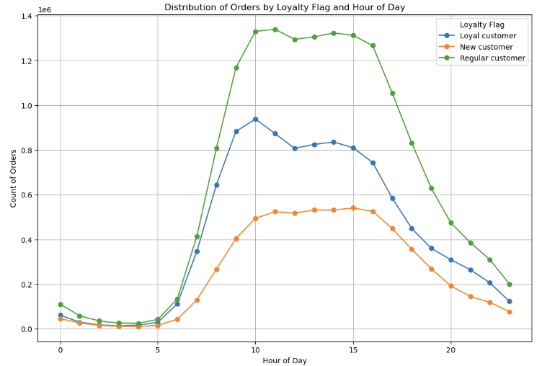

In examining the ordering habits of all three loyalty segments, it's evident that they share analogous patterns throughout the day, experiencing a peak between 10 am and 4 pm. Notably, the lowest order volumes across all loyalty groups occur between 1 am and 5 am. Interestingly, the order count for new customers remains relatively constant during the busiest hours, whereas both regular and loyal customers exhibit a slight decline between 10 am and 12 pm.

Key Question #7: Are there differences in ordering habits based on a customer’s region?

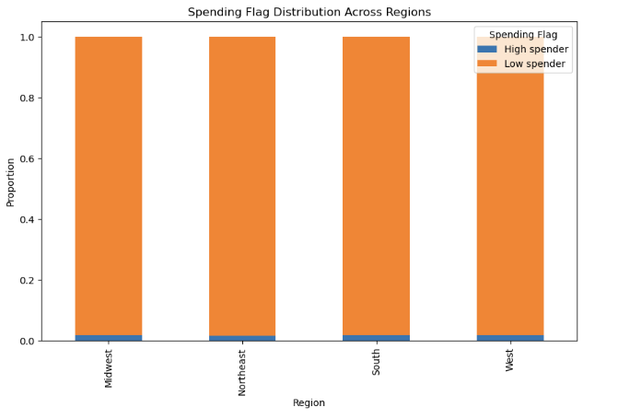

As we can see in the stacked bar chart, looking at normalized data of percentages gives us a clear answer: customers seem to have similar spending behaviour across different regions. The % split of low spenders and high spenders is very similar across different regions

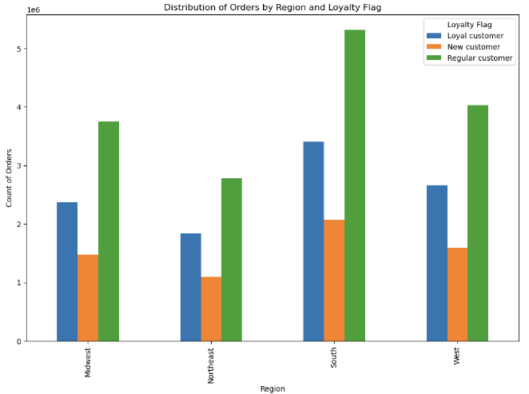

As we can see in the bar chart, customers across different reginos seem to have similar loyalty split. This also suggests no significant difference in ordering habits.

Key Question #8: Is there a connection between age and family status in terms of ordering habits?

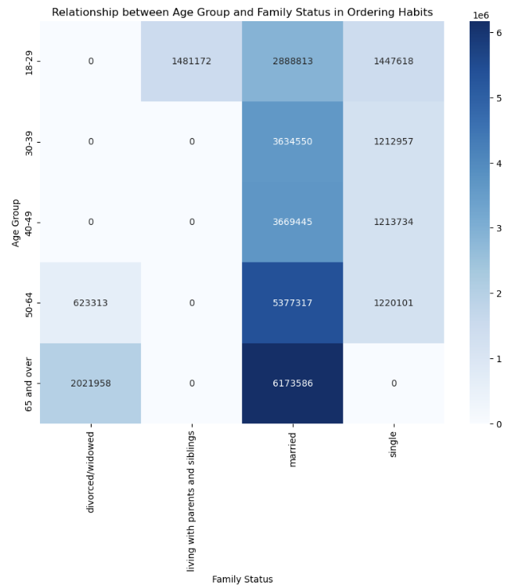

The heatmap shows how the number of orders for married customers increases as the customers get older. The same trend is observed for divorced/widowed customers. The largest proportion of customer orders comes from individuals in the middle-age range who are married.

Key Question #9: What differences can you find in ordering habits of different customer profiles? Consider the price of orders, the frequency of orders, the products customers are ordering, and anything else you can think of?

-The majority of orders are contributed by customers with middle incomes.
-Families with two or less depedants have the highest number of orders in comparison to big familiies or nonfamilies(households with 0 dependants). This tren can be clearly observed across different departments in the chart below to the righte.
-Grouped by income groups, the top three departments are 'produce', 'dairy eggs', and 'snacks'. Low income and middle income customers have the highest distribution in terms of orders count as illustrated in the stacked bar chart below to the left.

7. Recommendations
 | Title page

Recommendations

Note: The charts relevant to the questions below are availabe on the Visualizations sheet under the respective questions.

Question #1: What are the busiest days of the week and hours of the day?
Answer: In descending order, Saturdays, Sundays, and Fridays are the 3 busiest days of the week.
Speaking of distribution by hours of the day, the number of orders placed is relatively low in the early morning hours, starts to increase in the late morning hours, peaks in the hours between 9:00 to 16:00, and then starts to decrease in the evening hours. The lowest hours are between midnight and 6:00.
Recommendation: Considering the peak order hours between 9:00 to 16:00, allocate additional resources such as customer support and delivery staff during these times to enhance service efficiency. Additionally, to run promotional offers incentivizing customers to purchase on days/hours when there is low orders activity.

Question #2: Are there are particular times of the day when people spend the most money?
Answer: There is a fluctuating patter for prices by hour of day. However, there is no significant difference in expendiure depending on hour of the day. They are somewhere between 7.75 and 7.86 dollars.
The weekends have products with relatively higher prices. However, there is no significant difference in expendiure depending on day of the week. prices are somewhere between 7.75 and 7.86 dollars.
Note: The answer is based on charts which have been created form a randomly reduced subset sample (70/30)
Recommendation: While there may not be a significant difference in expenditure based on the hour of the day or the day of the week, it is advisable to continue monitoring and analyzing the data for any emerging patterns or trends. Consider implementing targeted promotions or discounts during weekends to potentially encourage higher-value purchases. Conduct periodic reviews with larger sample sizes to ensure the accuracy and reliability of the expenditure analysis.

Question #3: Is it possible to create simpler price range groupings to help direct the efforts of the marketing and the sales teams?
Answer: The predominant price range for items lies between $1 and $15. Analyzing the price distribution, we can for example create three price groupings:
-Low range products: < 6
-middle range products >= 6 & < 14
-high range products >=14
Recommendation: Implement the proposed price groupings to streamline marketing and sales efforts. Design targeted campaigns for each range, emphasizing value propositions that resonate with the respective customer segments. Ensure that promotional materials and advertisements clearly communicate the affordability of low-range products, the value for money in the middle-range, and the premium quality or features of high-range products. Regularly assess the performance of these groupings and adjust strategies accordingly based on customer responses and sales data.

Question #4: Which departments have the highest frequency of product orders?
Answer: Produce, dairy eggs, and snacks are the top three department in terms of orders frequency.
Recommendation: Focus on optimizing the inventory and supply chain management for the Produce, Dairy Eggs, and Snacks departments, as they have the highest frequency of product orders. Ensure that these departments are well-stocked to meet customer demand consistently. Additionally, consider introducing promotions or special offers for products in these departments to further drive sales and customer engagement.

Question #5: What’s the distribution among users in regards to their brand loyalty?
Answer: The highest number of orders (49%) comes from customers classified as regular, followed by loyal customers (32%), and then new customers (19%).
Recommendation: Given the significant contribution of regular customers to the overall orders, prioritize retention strategies to strengthen brand loyalty. Implement personalized incentives, exclusive offers, or loyalty programs for regular and loyal customers to encourage repeat purchases. Tailor marketing communications to highlight the benefits of loyalty, such as exclusive discounts or early access to promotions. While acquiring new customers is essential, maintaining and nurturing relationships with existing ones should be a focal point for sustained business growth.

Loyalty_flag | count_of_orders | percentage_from_total_orders_number
Regular customer | 15876776 | 49%
Loyal customer | 10284093 | 32%
New customer | 6243990 | 19%

Question #6: Are there differences in ordering habits based on a customer’s loyalty status?
Answer: In examining the ordering habits of all three loyalty segments, it's evident that they share analogous patterns throughout the day, experiencing a peak between 10 am and 4 pm. Notably, the lowest order volumes across all loyalty groups occur between 1 am and 5 am. Interestingly, the order count for new customers remains relatively constant during the busiest hours, whereas both regular and loyal customers exhibit a slight decline between 10 am and 12 pm.
Recommendation: Despite similarities in ordering habits, it's crucial to capitalize on the unique characteristics of each loyalty segment. For new customers, consider targeted promotions during the busiest hours to attract their attention. For regular and loyal customers, focus on maintaining engagement during the slight decline period, possibly by offering exclusive deals or promotions during those hours. Regularly reassess and refine these strategies based on evolving customer behaviors and feedback.

Question #7: Are there differences in ordering habits based on a customer’s region?
Answer: Customers seem to have similar spending behaviour across different regions. The % split of low spenders and high spenders is very similar across different regions.
Customers across different reginos seem to have similar loyalty split. This also suggests no significant difference in ordering habits.
Recommendation: Given the observed similarity in spending behavior and loyalty distribution across different regions, consider implementing standardized marketing and promotional strategies that can be applied universally. Focus on broader campaigns that highlight universal product appeal and emphasize the overall brand value.

Question #8: Is there a connection between age and family status in terms of ordering habits?
Answer: The number of orders for married customers increases as the customers get older. The same trend is observed for divorced/widowed customers. The largest proportion of customer orders comes from individuals in the middle-age range who are married.
Recommendation: Given the correlation between age, family status, and ordering habits, tailor marketing efforts to address the preferences and needs of the largest customer segment—middle-aged married individuals. Consider creating targeted promotions or product bundles that align with the preferences of this demographic.

Question #9: What differences can you find in ordering habits of different customer profiles? Consider the price of orders, the frequency of orders, the products customers are ordering, and anything else you can think of?
Answer: The majority of orders are contributed by customers with middle incomes.
Families with two or less depedants have the highest number of orders in comparison to big familiies or nonfamilies (households with 0 dependants). This trend can be clearly observed across different departments in the respective chart. Grouped by income groups, the top three departments are 'produce', 'dairy eggs', and 'snacks'. Low income and middle income customers have the highest distribution in terms of orders count.
Recommendation: Tailor marketing strategies to cater to the preferences and needs of customers with middle incomes, as they contribute the majority of orders. For families with two or fewer dependents, emphasize promotions or product offerings that align with their ordering patterns, considering the observed trend of higher order numbers in this demographic. Given the popularity of 'produce,' 'dairy eggs,' and 'snacks' across income groups, focus on these departments in promotional campaigns targeting both low and middle-income customers.

